18June
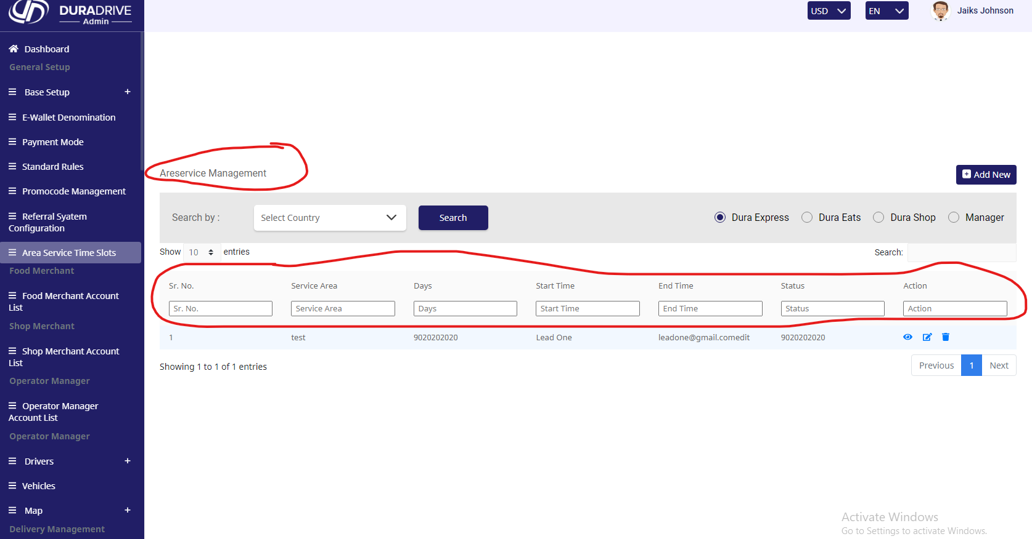
 |  |  | Test Execution Steps:

S.NO | Action | Inputs | Actual Output | Expected Output | Test Browser | Test Result
TS_01 | verify DuraDrive (Admin) (Dasboard) | https://xd.adobe.com/view/e14d7edc-d7b0-43b8-aefb-16212976b84b-b41e/screen/bd1c3cc3-66c8-49d3-a8f2-23faa18f8709/?fullscreen | DuraDrive (Admin) Dasboard not show all icon Side-navbar. | AS Not Expected | Google Chrome | Fail
TS_02 | verify DuraDrive (Admin) (country) | https://xd.adobe.com/view/e14d7edc-d7b0-43b8-aefb-16212976b84b-b41e/screen/4b6bb6a0-b7f0-4452-8505-c899e971c256/?fullscreen | DuraDrive (country) not show all Droup-Down icon data Table | AS Not Expected | Google Chrome | Fail
TS_03 | screen not showing (02)
TS_04 | screen not showing (03)
TS_05 | screen not showing (04)
TS_06 | screen not showing (07)
TS_07 | screen not showing (08)
TS_08 | verify DuraDrive (Admin) (Service Area ) | https://xd.adobe.com/view/e14d7edc-d7b0-43b8-aefb-16212976b84b-b41e/screen/8fe1bb38-f33d-46da-91d3-ffb935abf181/?fullscreen | DuraDrive (Service Area ) not show all Droup-Down icon data Table. | AS Not Expected | Google Chrome | Fail
TS_09 | screen not showing (10)
TS_10 | screen not showing (11)
TS_11 | screen not showing (12)
TS_12 | screen not showing (13)
TS_13 | verify DuraDrive (Admin) (Category ) | https://xd.adobe.com/view/e14d7edc-d7b0-43b8-aefb-16212976b84b-b41e/screen/afc0141e-44a2-4d4a-808f-2fe0e8f24c07/ | DuraDrive (Category )not show all Droup-Down icon data Table. | AS Not Expected | Google Chrome | Fail
TS_14 | screen not showing (15)
TS_15 | screen not showing (16)
TS_16 | screen not showing (17)
TS_17 | screen not showing (18)
TS_18 | screen not showing (19)
TS_19 | screen not showing (20)
TS_20 | screen not showing (21)
TS_21 | screen not showing (22)
TS_22 | verify DuraDrive (Admin) (Banner and popups ) | https://xd.adobe.com/view/e14d7edc-d7b0-43b8-aefb-16212976b84b-b41e/screen/7fe6e60b-f182-48da-b817-2a759a30fd4f/?fullscreen | DuraDrive (Banner and popups )not show all Droup-Down icon ,image ,status (Acitve& Inacitve) data table. | AS Not Expected | Google Chrome | Fail
TS_23 | screen not showing (24)
TS_24 | screen not showing (25)
TS_25 | screen not showing (26)
TS_26 | screen not showing (27)
TS_27 | screen not showing (28)
TS_28 | screen not showing (30)
TS_29 | verify DuraDrive (Admin) (Vehicle Type Management ) | https://xd.adobe.com/view/e14d7edc-d7b0-43b8-aefb-16212976b84b-b41e/screen/80c43ef7-a641-4146-8124-5402a421a187/ | DuraDrive (Admin) (Vehicle Type Management )not show all Droup-Down icon ,image ,status (Acitve& Inacitve) data table. | AS Not Expected | Google Chrome | Fail
TS_30 | screen not showing (31)
TS_31 | screen not showing (32)
TS_32 | screen not showing (33)
TS_33 | screen not showing (34)
TS_34 | screen not showing (35)
TS_35 | screen not showing (36)
TS_36 | screen not showing (37)
TS_37 | screen not showing (38)
TS_38 | screen not showing (39)
TS_39 | screen not showing (40)
TS_40 | screen not showing (41)
TS_41 | screen not showing (42)
TS_42 | screen not showing (43)
TS_43 | verify DuraDrive (Admin) (Unit Measure Management ) | https://xd.adobe.com/view/e14d7edc-d7b0-43b8-aefb-16212976b84b-b41e/screen/54073a52-433d-4169-a514-e7b53ab724bd/ | DuraDrive (Admin) (Unit Measure Management )not show all Droup-Down icon ,image ,status (Acitve& Inacitve) data table. | AS Not Expected | Google Chrome | Fail
TS_44 | screen not showing (45)
TS_45 | screen not showing (46)
TS_46 | screen not showing (47)
TS_47 | screen not showing (48)
TS_48 | screen not showing (50)
TS_49 | verify DuraDrive (Admin) (Vehicle Make ) | https://xd.adobe.com/view/e14d7edc-d7b0-43b8-aefb-16212976b84b-b41e/screen/4f79dbf9-0b6d-4a43-9154-e6100eee03c0/ | DuraDrive (Admin) (Vehicle Make )not show all Droup-Down icon ,image ,status (Acitve& Inacitve) data table. | AS Not Expected | Google Chrome | Fail
TS_50 | verify DuraDrive (Admin) (Document Management ) | https://xd.adobe.com/view/e14d7edc-d7b0-43b8-aefb-16212976b84b-b41e/screen/f1fc450b-bd23-4183-9417-ffd913aca217/ | DuraDrive (Admin) (Document Management )not show all Droup-Down icon ,image ,status (Acitve& Inacitve) data table. | AS Not Expected | Google Chrome | Fail
TS_51 | screen not showing (51)
TS_52 | screen not showing (52)
TS_53 | screen not showing (53)
TS_54 | screen not showing (54)
TS_55 | screen not showing (56)
TS_56 | screen not showing (57)
TS_57 | screen not showing (58)
TS_58 | screen not showing (59)
TS_59 | screen not showing (60)
TS_60 | verify DuraDrive (Admin) (E-wallet ) | https://xd.adobe.com/view/e14d7edc-d7b0-43b8-aefb-16212976b84b-b41e/screen/95b9fe41-bcda-4c10-ade5-44e89516084b/ | DuraDrive (Admin) (E-wallet )not show all Droup-Down icon ,image ,status (Acitve& Inacitve) data table. | AS Not Expected | Google Chrome | Fail
TS_61 | screen not showing (62)
TS_62 | screen not showing (63)
TS_63 | screen not showing (64)
TS_64 | screen not showing (65)
TS_65 | screen not showing (66)
TS_66 | screen not showing (67)
TS_67 | screen not showing (68)
TS_68 | screen not showing (69)
TS_69 | verify DuraDrive (Admin) (Promocode Management ) | https://xd.adobe.com/view/e14d7edc-d7b0-43b8-aefb-16212976b84b-b41e/screen/472b7ce8-7c30-451e-8ed1-c87d3e6540bb/ | DuraDrive (Admin) (Promocode Management )not show all Droup-Down icon ,image ,status (Acitve& Inacitve) data table. | AS Not Expected | Google Chrome | Fail
TS_70 | screen not showing (72)
TS_71 | screen not showing (73)
TS_72 | screen not showing (74)
TS_73 | screen not showing (75)
TS_74 | screen not showing (76)
TS_75 | screen not showing (77)
TS_76 | screen not showing (78)
TS_77 | screen not showing (79)
TS_78 | screen not showing (80)
TS_79 | screen not showing (82)
TS_80 | screen not showing (83)
TS_81 | screen not showing (84)
TS_82 | screen not showing (85)
TS_83 | screen not showing (86)
TS_84 | screen not showing (87)
TS_85 | screen not showing (88)
TS_86 | screen not showing (89)
TS_87 | screen not showing (90)
TS_88 | screen not showing (91)
TS_89 | screen not showing (92)
TS_90 | screen not showing (93)
TS_91 | screen not showing (94)
TS_92 | screen not showing (96)
TS_93 | verify DuraDrive (Admin) (Food Merchant Management ) | https://xd.adobe.com/view/e14d7edc-d7b0-43b8-aefb-16212976b84b-b41e/screen/32b16887-2c47-4cac-96d5-c6b64d7cf83b/ | DuraDrive (Admin) (Food Merchant Management )not show all Droup-Down icon ,image ,status (Acitve& Inacitve) data table. | AS Not Expected | Google Chrome
TS_94 | verify DuraDrive (Admin) (Area Service Time Slots ) | https://xd.adobe.com/view/e14d7edc-d7b0-43b8-aefb-16212976b84b-b41e/screen/7f85e554-aa98-4eff-9f47-bbab6e2cdaa1/ | DuraDrive (Admin) (Area Service Time Slots )not show all Droup-Down icon ,image ,status (Acitve& Inacitve) data table. | AS Not Expected | Google Chrome | Fail

 |  | TS_01(Screen-05) |  |  |  |  | TS_02(Screen-06)

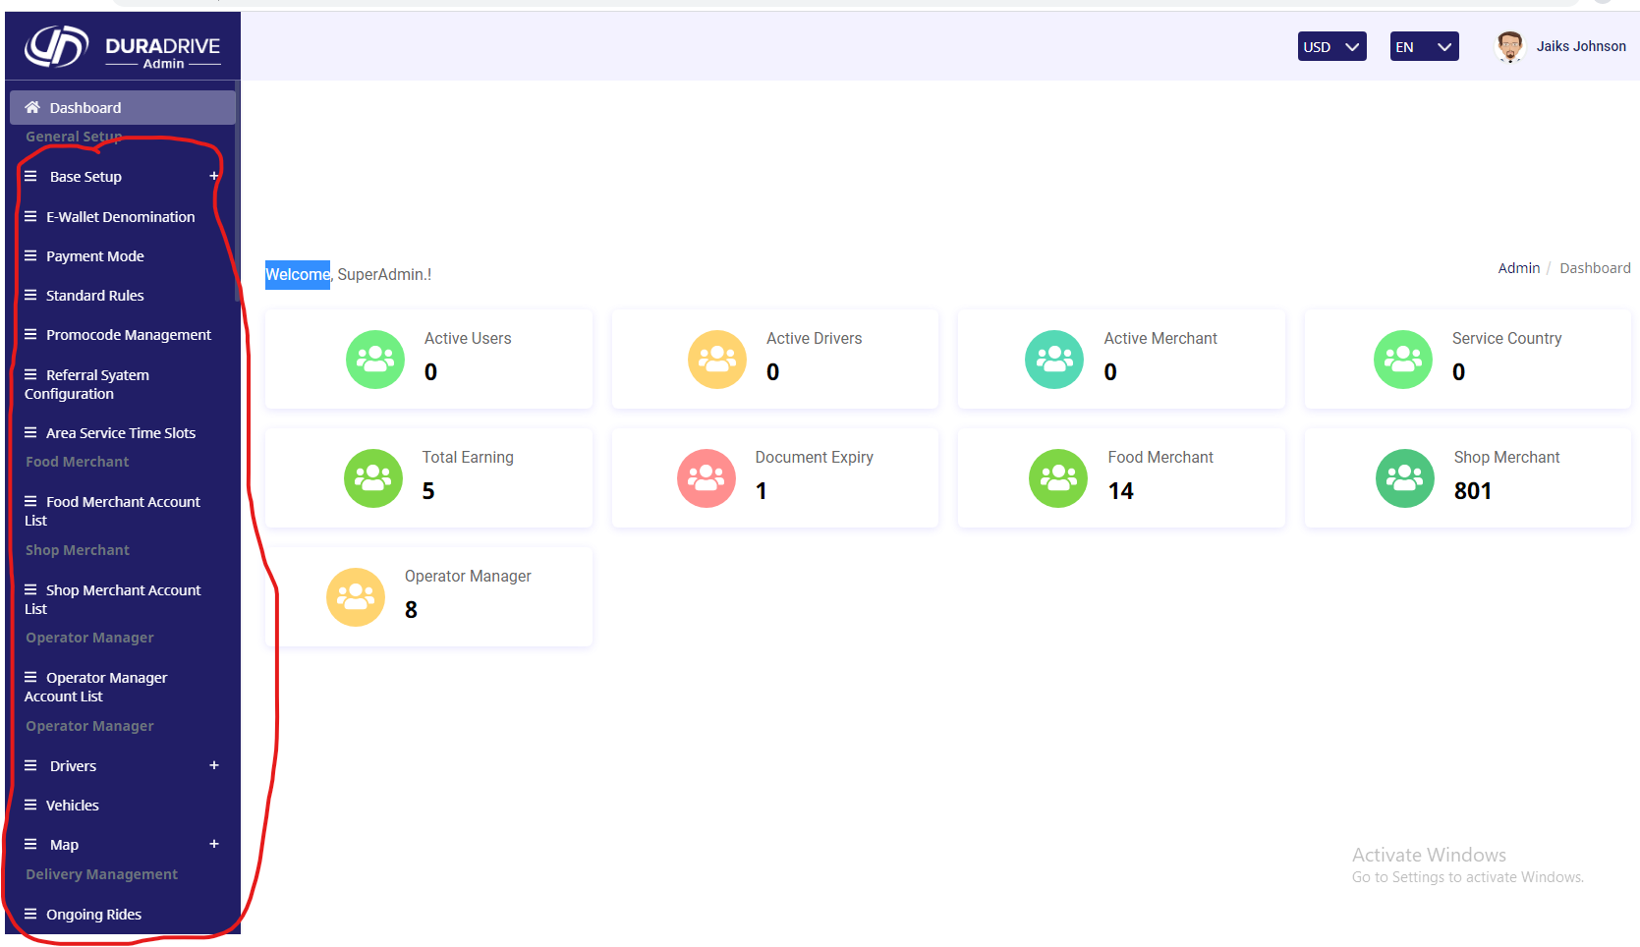
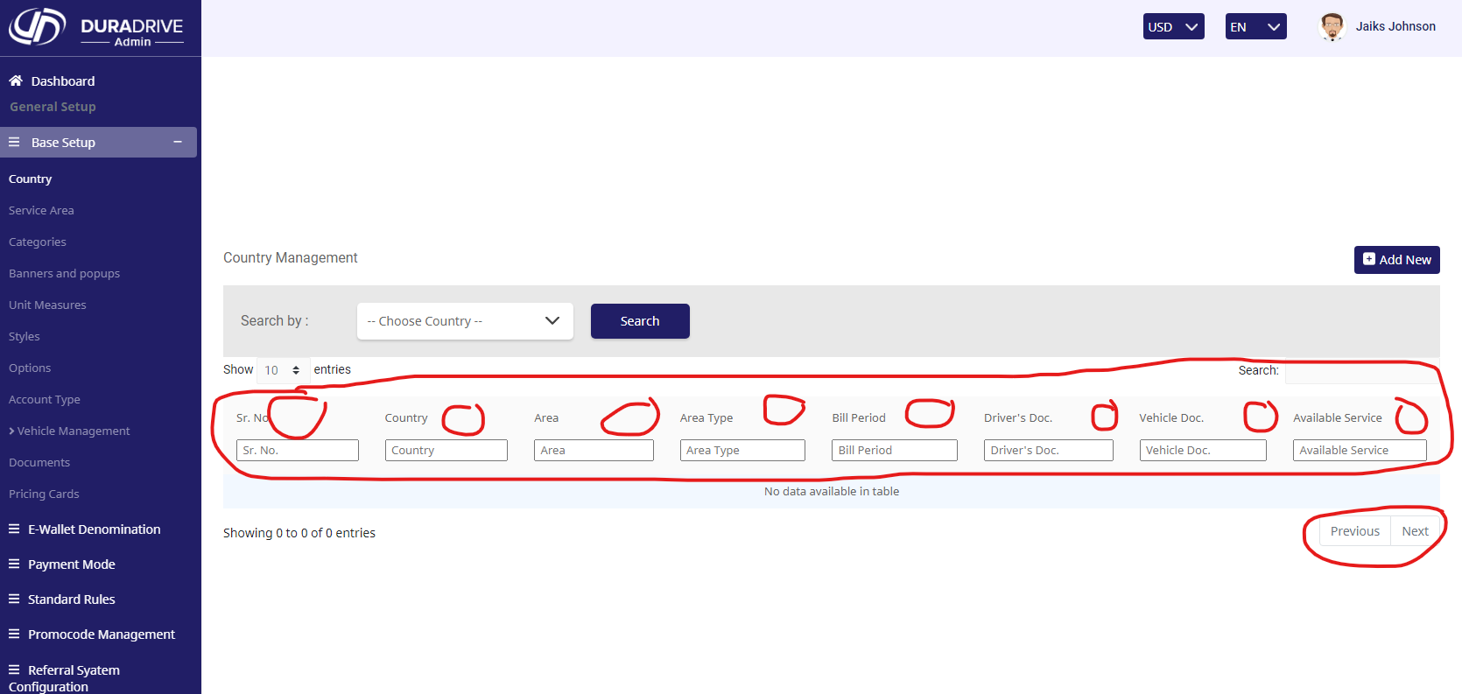

 |  | TS_08(Screen-09) |  |  |  |  | TS_13(Screen-14)

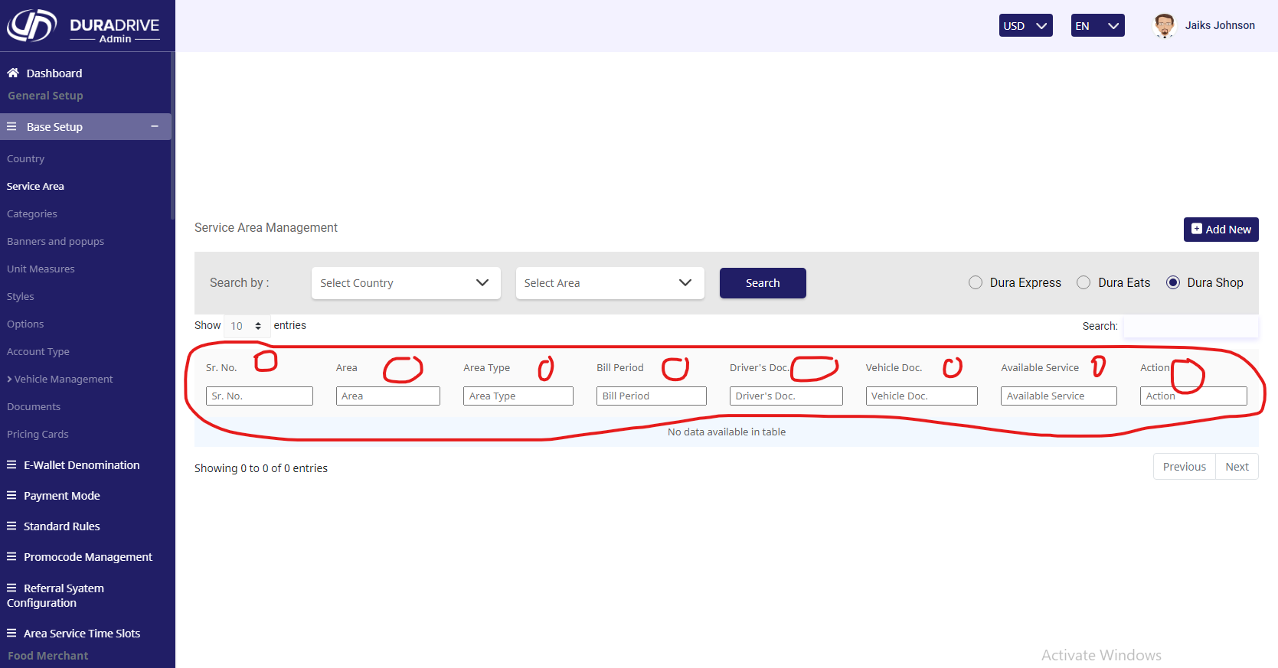
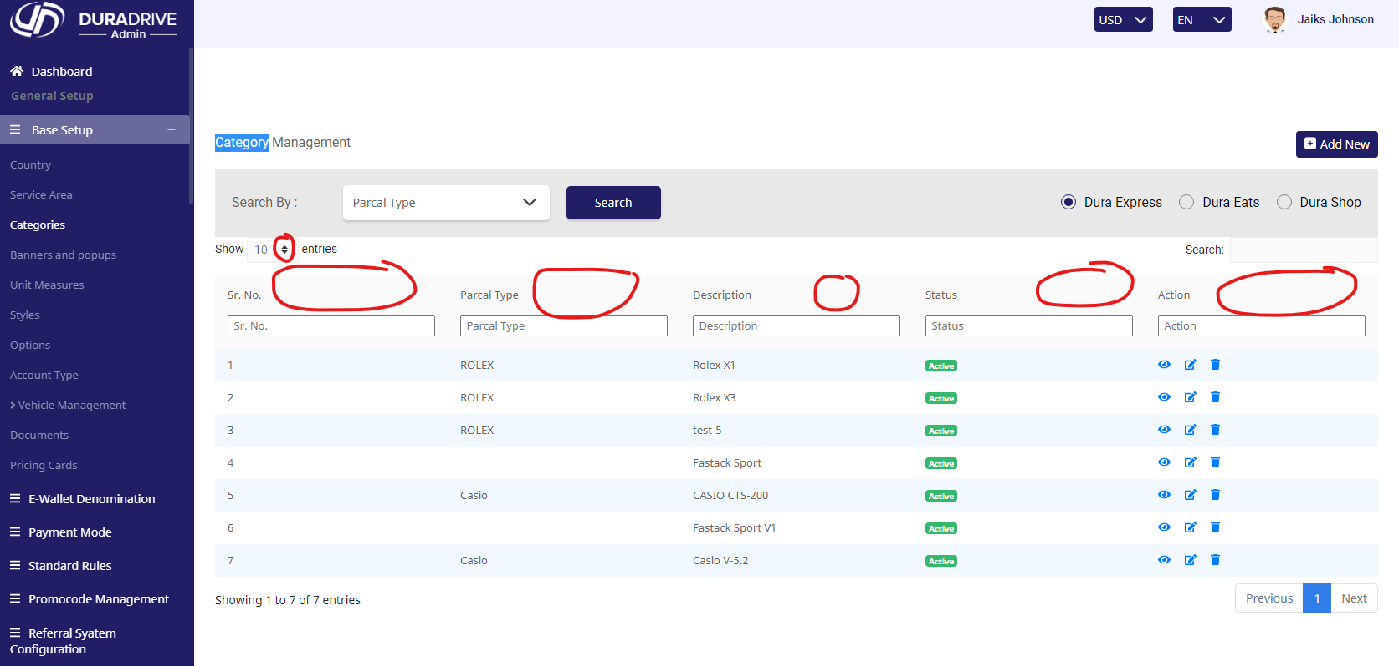

 |  | TS_22(Screen-23)
 |  |  |  |  |  |  | TS_29(Screen-29)

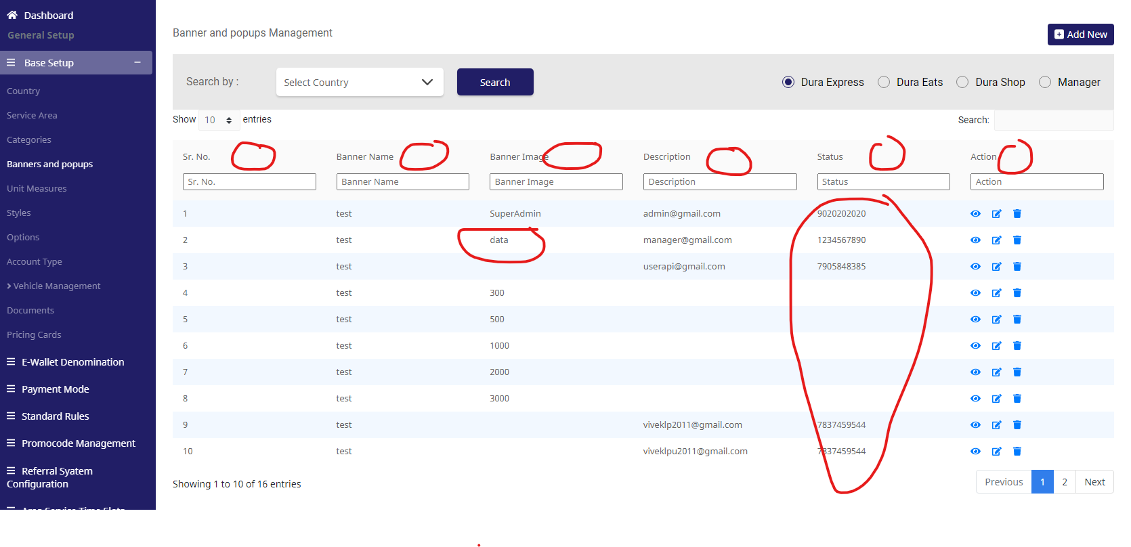
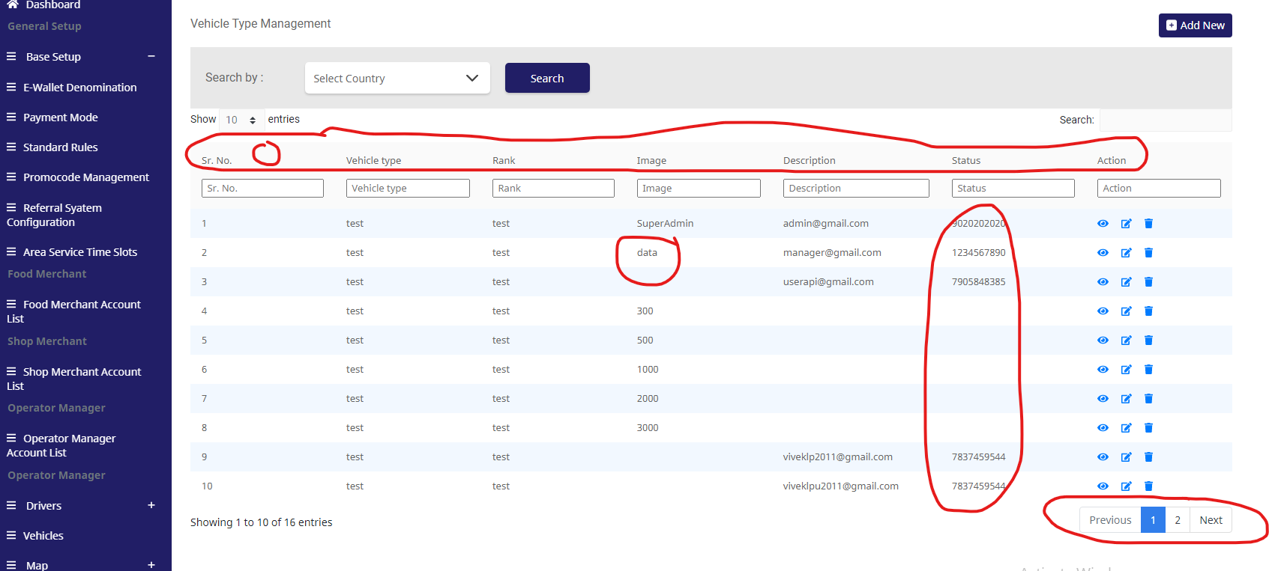

 |  | TS_43(Screen-44) |  |  |  |  | TS_49(Screen-49)

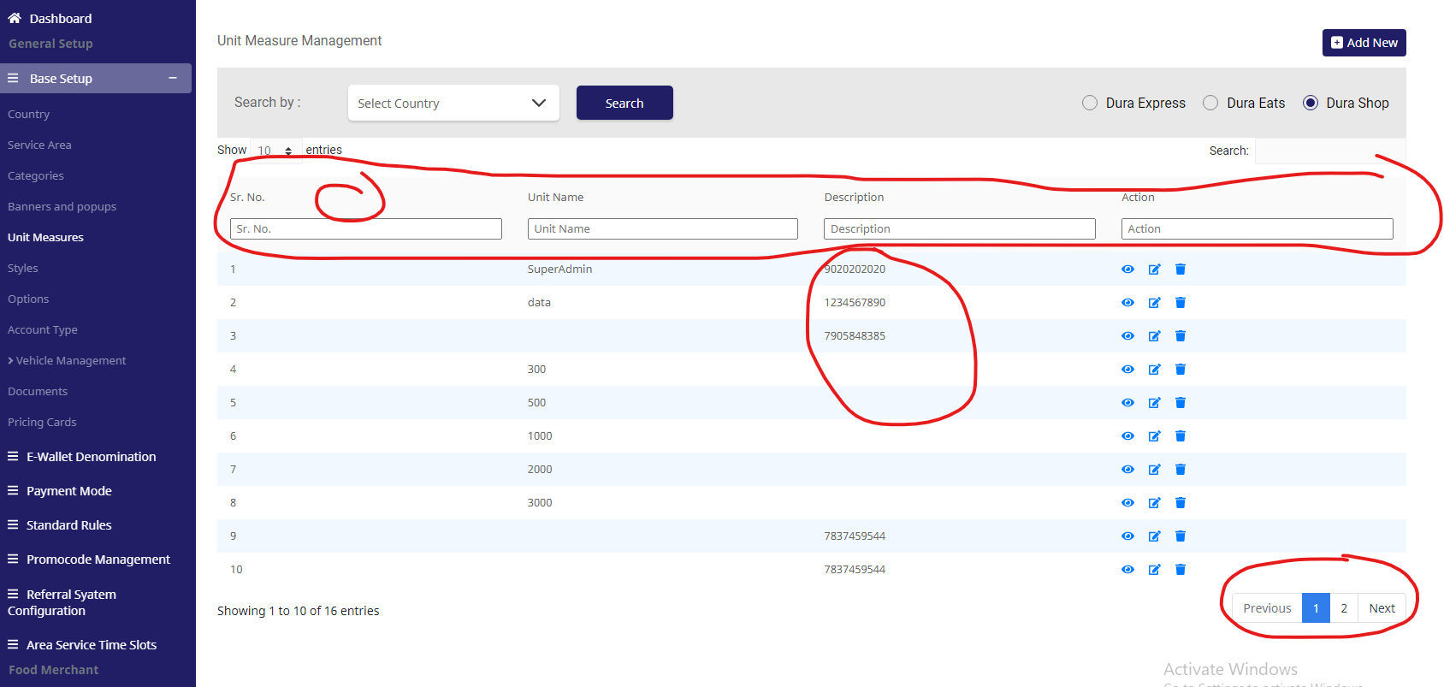
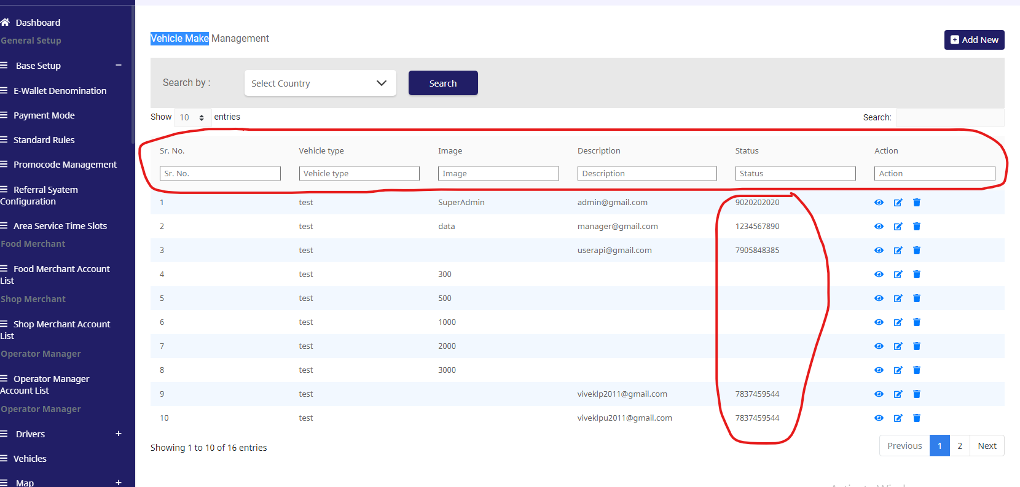

 |  | TS_50(Screen-55) |  |  |  |  | TS_60(Screen-61)

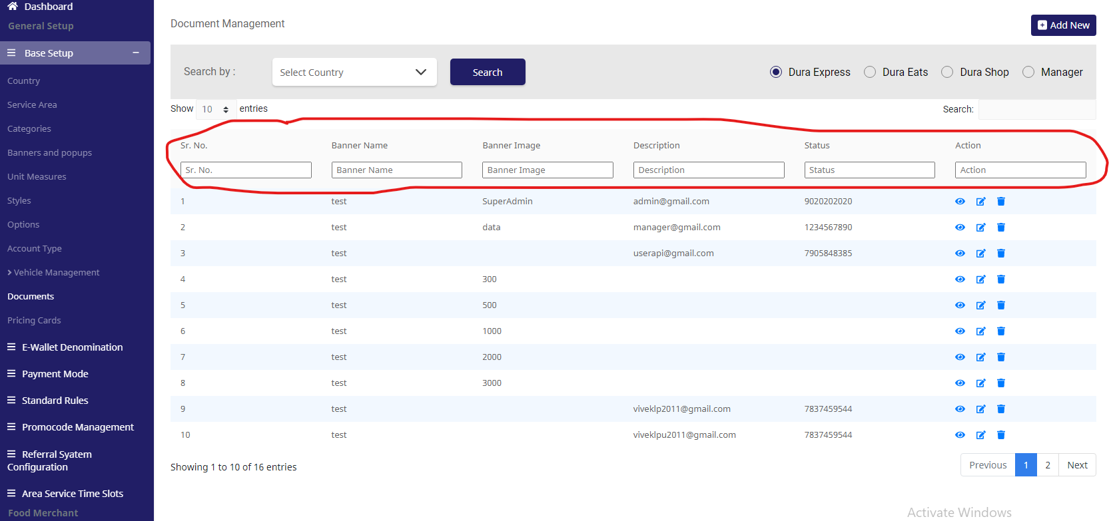
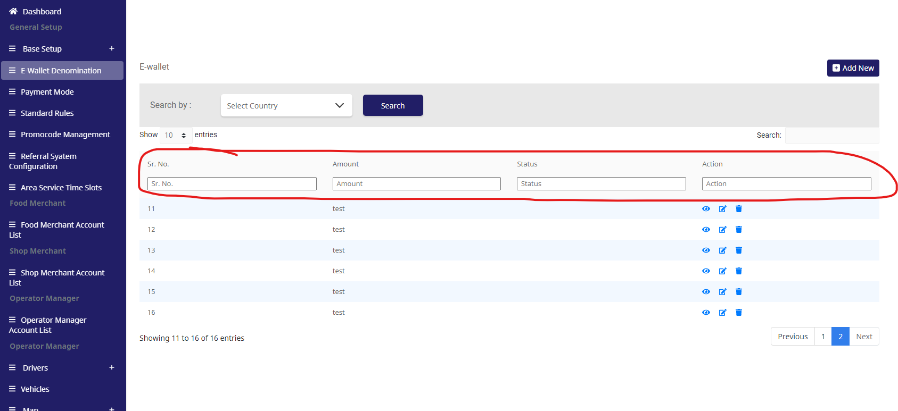

 |  | TS_69(Screen-70) |  |  |  |  | TS_93(Screen-81)
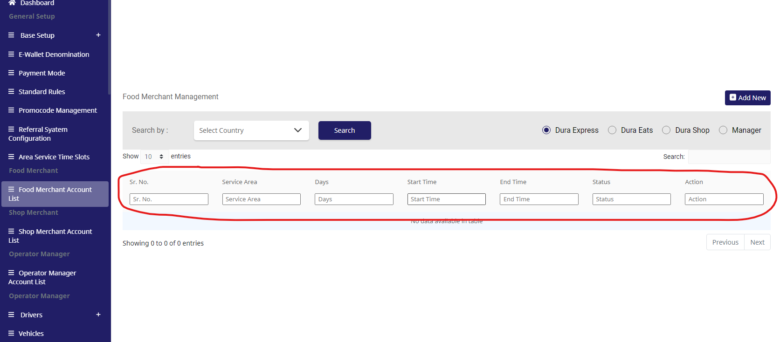
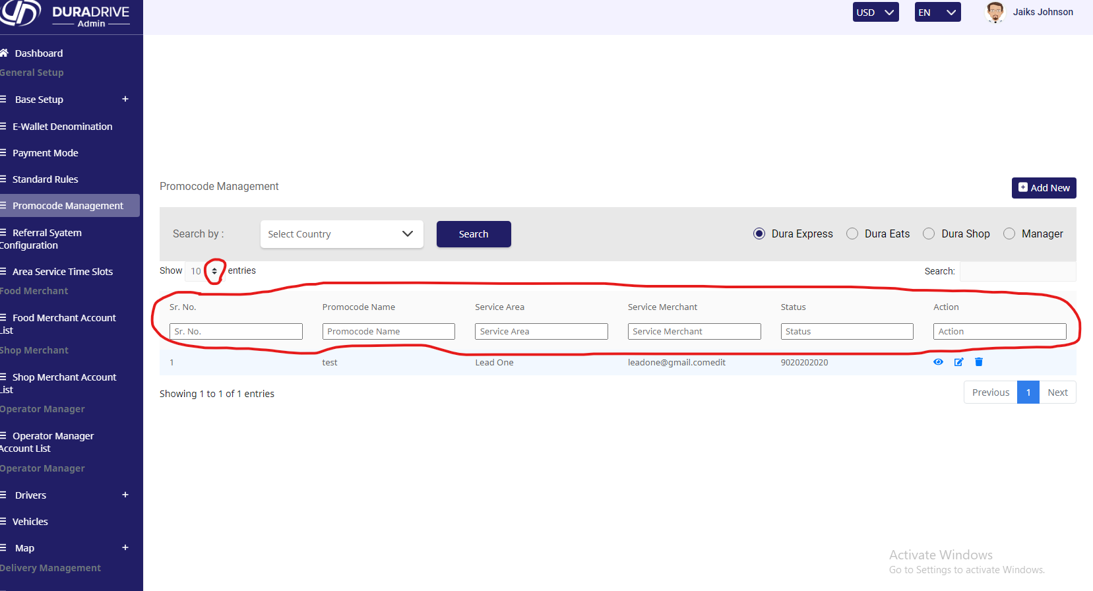

 |  | TS_94(Screen-83)

21 June
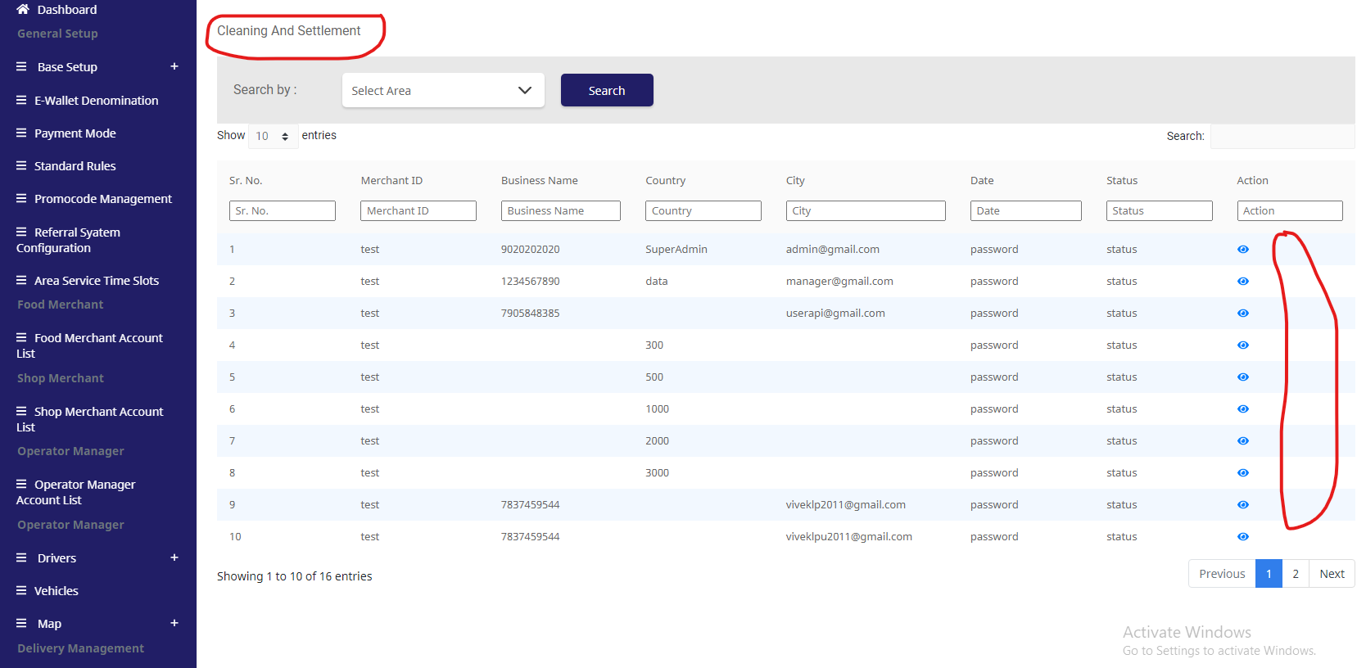
 |  | Test Execution Steps:

S.NO | Action | Inputs | Actual Output | Expected Output | Test Browser | Test Result
TS_01 | screen not showing (97)
TS_02 | screen not showing (98)
TS_03 | screen not showing (99)
TS_04 | screen not showing (100)
TS_05 | screen not showing (101)
TS_06 | verify DuraDrive (Admin) (Pending Approval ) | https://xd.adobe.com/view/e14d7edc-d7b0-43b8-aefb-16212976b84b-b41e/screen/c8ff20d7-1f16-444c-beca-3675de698c85/?fullscreen | DuraDrive (Admin) (Pending Approval )not show all Droup-Down icon ,image ,status (Acitve& Inacitve) data table. | AS Not Expected | Google Chrome | Fail
TS_07 | screen not showing (103)
TS_08 | verify DuraDrive (Admin) (Incomplete Documents) | https://xd.adobe.com/view/e14d7edc-d7b0-43b8-aefb-16212976b84b-b41e/screen/fe2251b9-0ab4-4c41-8421-8d73e14f7d19/ | DuraDrive (Admin) (Incomplete Documents )not show all Droup-Down icon ,image ,status (Acitve& Inacitve) data table. | AS Not Expected | Google Chrome | Fail
TS_09 | screen not showing (105)
TS_10 | verify DuraDrive (Admin) (Rejected Application) | https://xd.adobe.com/view/e14d7edc-d7b0-43b8-aefb-16212976b84b-b41e/screen/6b0f69c8-0d7e-4a64-acb9-28c87ed89383/ | DuraDrive (Admin) (Rejected Application)not show all Droup-Down icon ,image ,status (Acitve& Inacitve) data table. | AS Not Expected | Google Chrome | Fail
TS_11 | screen not showing (107)
TS_12 | verify DuraDrive (Admin) (Expiry Document ) | https://xd.adobe.com/view/e14d7edc-d7b0-43b8-aefb-16212976b84b-b41e/screen/25d3b0ea-c7be-4f30-8630-ab7ef27c21d6/ | DuraDrive (Admin) (Expiry Document )not show all Droup-Down icon ,image ,status (Acitve& Inacitve) data table. | AS Not Expected | Google Chrome | Fail
TS_13 | screen not showing (109)
TS_14 | verify DuraDrive (Admin) (Vehicles) | https://xd.adobe.com/view/e14d7edc-d7b0-43b8-aefb-16212976b84b-b41e/screen/53f3366d-d967-409e-ae58-2eff5eb82483/ | DuraDrive (Admin) (Vehicles)not show all Droup-Down icon ,image ,status (Acitve& Inacitve) data table. | AS Not Expected | Google Chrome | Fail
TS_15 | screen not showing (111)
TS_16 | screen not showing (112)
TS_17 | screen not showing (113)
TS_18 | screen not showing (114)
TS_19 | screen not showing (115)
TS_20 | screen not showing (116)
TS_21 | screen not showing (117)
TS_22 | screen not showing (118)
TS_23 | screen not showing (119)
TS_24 | screen not showing (120)
TS_25 | screen not showing (121)
TS_26 | screen not showing (122)
TS_27 | screen not showing (123)
TS_28 | screen not showing (124)
TS_29 | screen not showing (125)
TS_30 | screen not showing (126)
TS_31 | screen not showing (127)
TS_32 | screen not showing (128)
TS_33 | screen not showing (129)
TS_34 | screen not showing (130)
TS_35 | screen not showing (131)
TS_36 | screen not showing (133)
TS_37 | screen not showing (134)
TS_38 | screen not showing (135)
TS_39 | screen not showing (136)
TS_40 | screen not showing (137)
TS_41 | screen not showing (138)
TS_42 | screen not showing (139)
TS_43 | screen not showing (140)
TS_44 | screen not showing (141)
TS_45 | screen not showing (142)
TS_46 | screen not showing (143)
TS_47 | screen not showing (144)
TS_48 | screen not showing (145)
TS_49 | screen not showing (146)
TS_50 | screen not showing (147)
TS_51 | screen not showing (148)
TS_52 | screen not showing (149)
TS_53 | screen not showing (150)
TS_54 | screen not showing (151)
TS_55 | screen not showing (152)
TS_56 | screen not showing (153)
TS_57 | verify DuraDrive (Admin) (All Company) | https://xd.adobe.com/view/e14d7edc-d7b0-43b8-aefb-16212976b84b-b41e/screen/9e5624b4-1245-4fb7-88e6-8b327480b07f/ | DuraDrive (Admin) (All Company)not show all Droup-Down icon ,image ,status (Acitve& Inacitve) data table. | AS Not Expected | Google Chrome | Fail
TS_58 | screen not showing (154)
TS_59 | screen not showing (155)
TS_60 | screen not showing (156)
TS_61 | screen not showing (157)
TS_62 | screen not showing (158)
TS_63 | screen not showing (159)
TS_64 | screen not showing (160)
TS_65 | screen not showing (161)
TS_66 | screen not showing (162)
TS_67 | screen not showing (164)
TS_68 | verify DuraDrive (Admin) (Cleaning And Settlement) | https://xd.adobe.com/view/e14d7edc-d7b0-43b8-aefb-16212976b84b-b41e/screen/0002156e-64b9-4c00-a210-da2ded8ccd20/ | DuraDrive (Admin) (Cleaning And Settlement)not show all Droup-Down icon ,image ,status (Acitve& Inacitve) data table. | AS Not Expected | Google Chrome | Fail
TS_69 | screen not showing (165)
TS_70 | screen not showing (166)
TS_71 | screen not showing (167)
TS_72 | screen not showing (168)
TS_73 | screen not showing (169)
TS_74 | screen not showing (170)

 |  | TS_06(Screen-102) |  |  |  |  | TS_08(Screen-104)

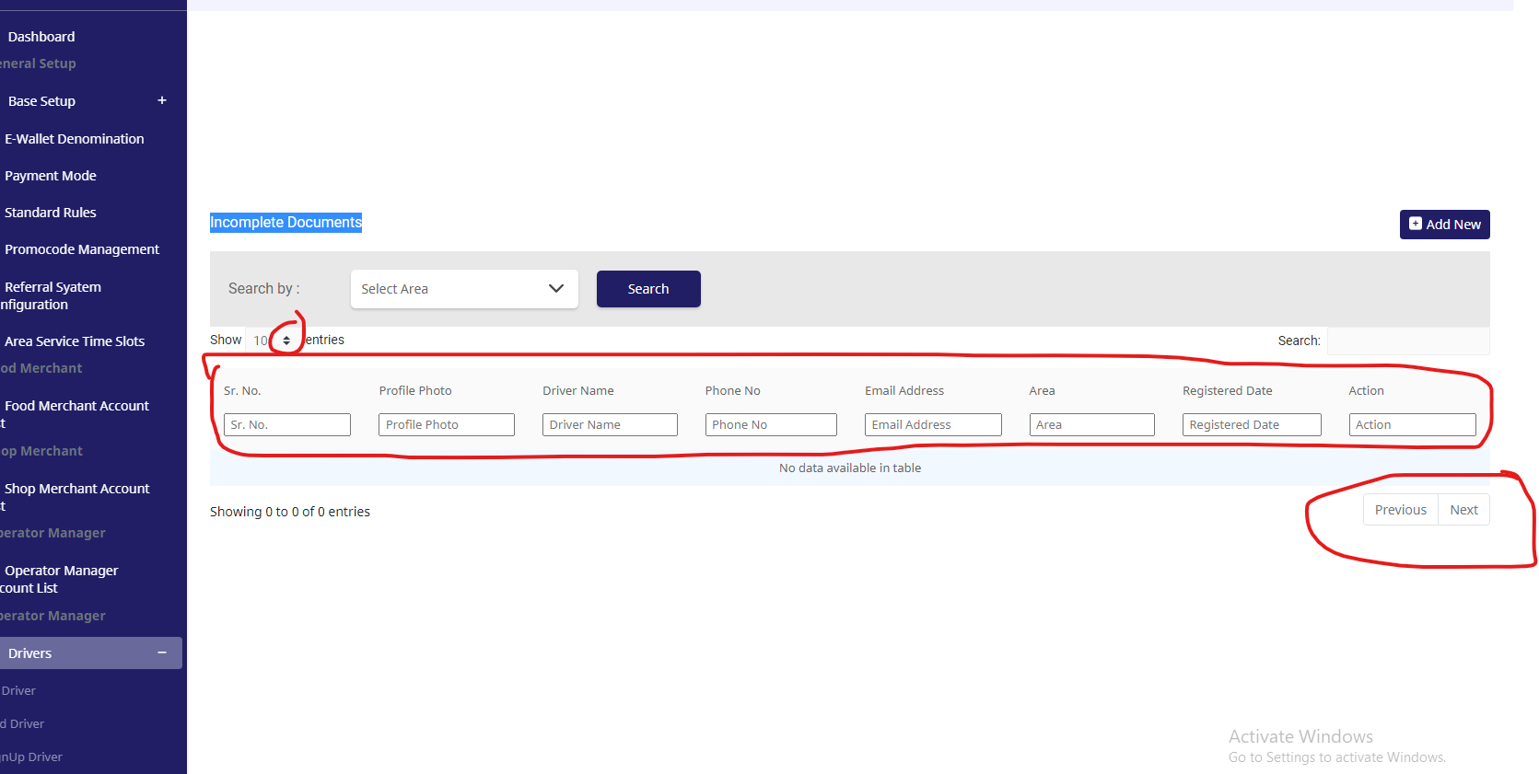
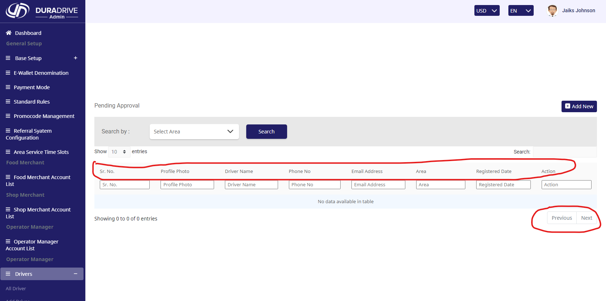

 |  | TS_10(Screen-106) |  |  |  |  | TS_12(Screen-108)

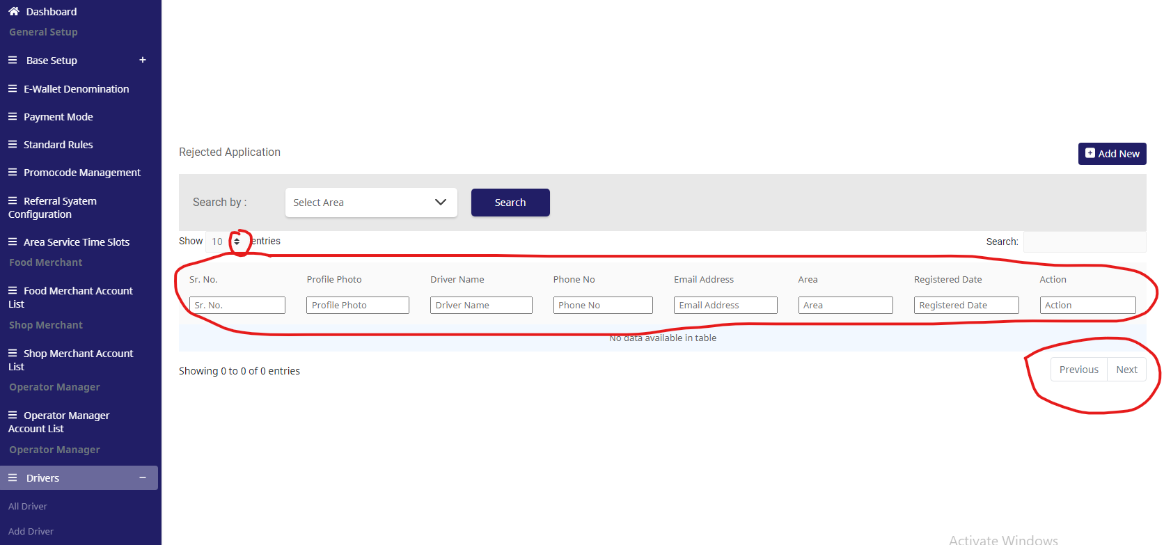
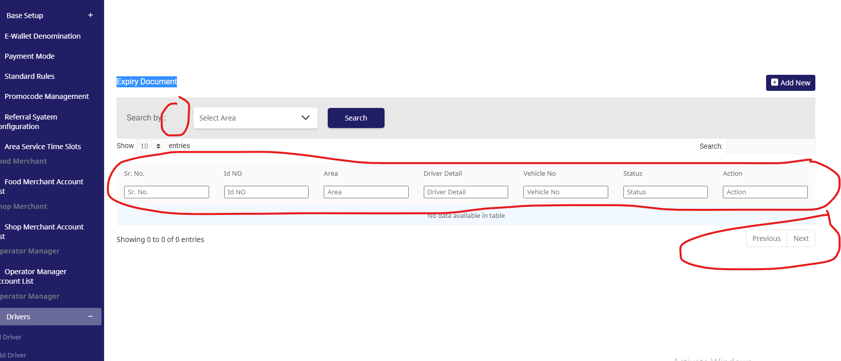

 |  | TS_14(Screen-110) |  |  |  |  | TS_57(Screen-144)

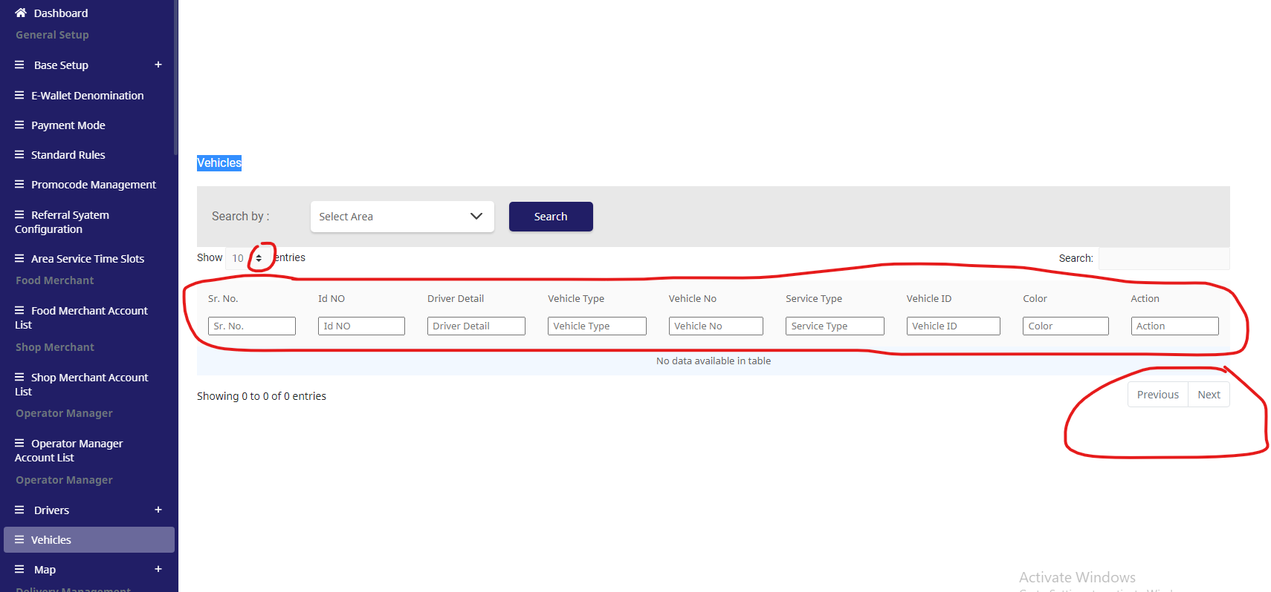
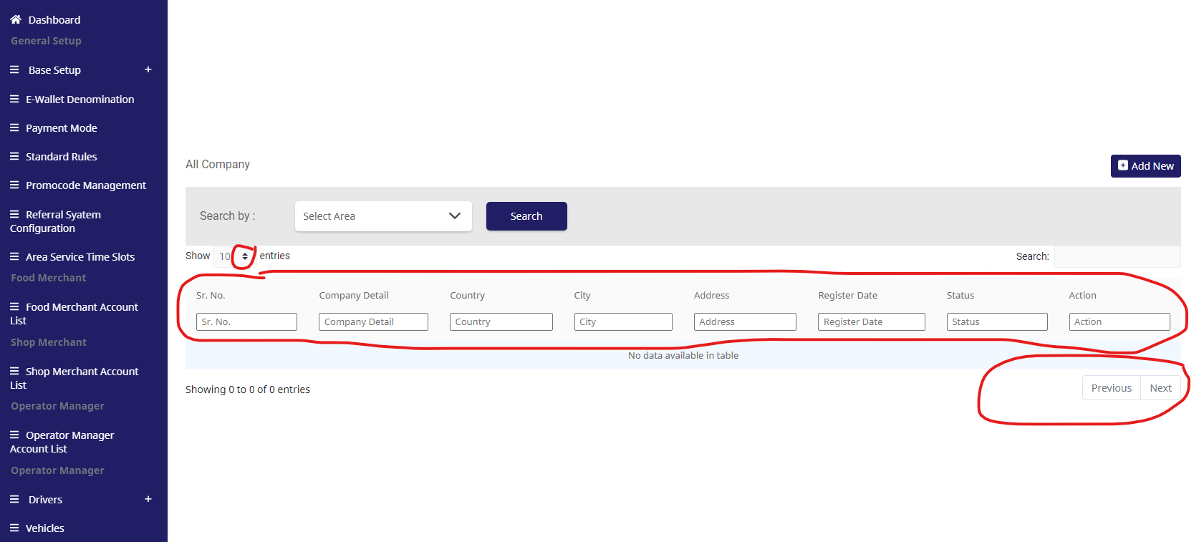

 |  | TS_68(Screen-165)

22June
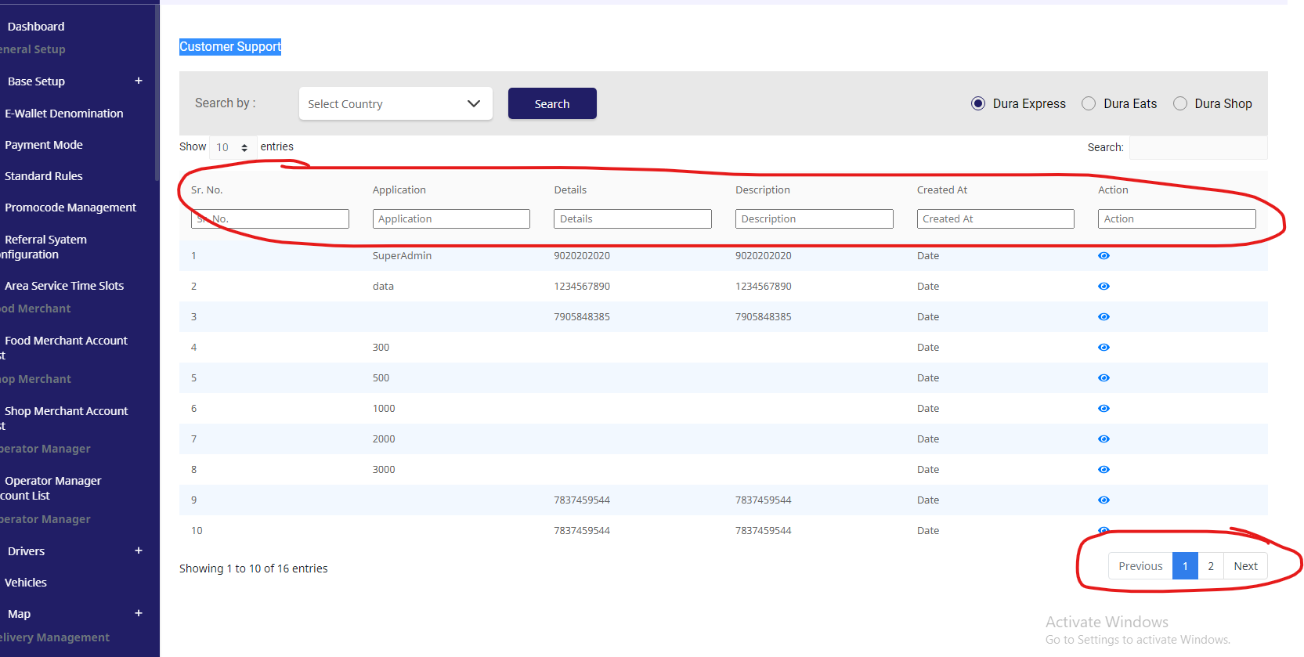
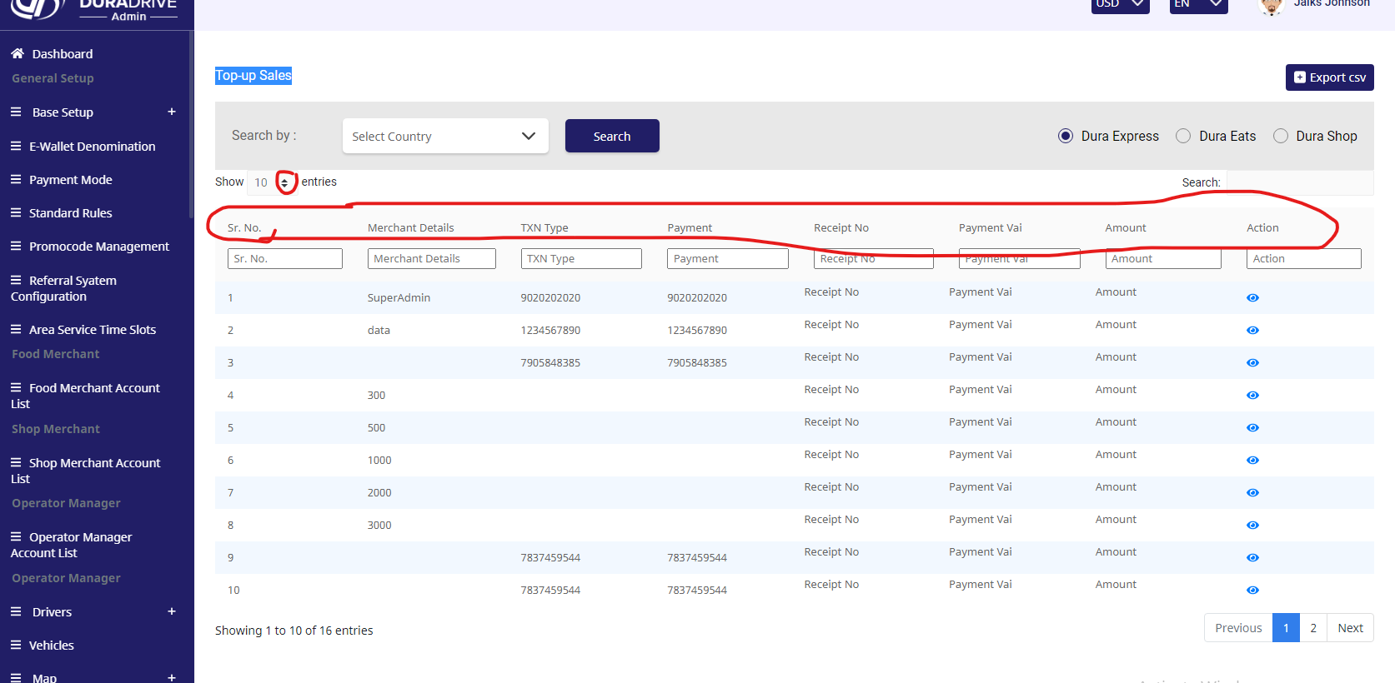
 |  |  | Test Execution Steps:

S.NO | Action | Inputs | Actual Output | Expected Output | Test Browser | Test Result |  | Test Case Template
TS_01 | verify DuraDrive (Admin) (Service Type Settings) | https://xd.adobe.com/view/e14d7edc-d7b0-43b8-aefb-16212976b84b-b41e/screen/0e524ef2-1233-4c31-a956-2b99748ab120/ | verify DuraDrive (Admin) (Service Type Settings) not show all Droup-Down icon ,image ,status (Acitve& Inacitve) data table. | AS Not Expected | Google Chrome | Fail |  | Test Case Name | Dura Drive Admin ( Login Page)
TS_02 | verify DuraDrive (Admin) (Driver Configuration) | https://xd.adobe.com/view/e14d7edc-d7b0-43b8-aefb-16212976b84b-b41e/screen/e19a5fa1-c2d4-43da-b73a-90494838262e/ | DuraDrive (Admin) (Driver Configuration) not match droup-down icon. | AS Not Expected | Google Chrome | Fail |  | Test Case Type | Functional Test Case
TS_03 | verify DuraDrive (Admin) (Order Request Configuration ) | https://xd.adobe.com/view/e14d7edc-d7b0-43b8-aefb-16212976b84b-b41e/screen/93cefb72-a68b-445e-8c0b-f1ac5cf6dd44/ | DuraDrive (Admin) (Order Request Configuration )not match droup-down icon size. | AS Not Expected | Google Chrome | Fail |  | Module | Login
TS_04 | verify DuraDrive (Admin) (General Settings ) | https://xd.adobe.com/view/e14d7edc-d7b0-43b8-aefb-16212976b84b-b41e/screen/eff9a419-d117-407c-9f3a-8f465ee0f068/?fullscreen | DuraDrive (Admin) (General Settings )not match droup-down icon size. | AS Not Expected | Google Chrome | Fail |  | Severity | Critical
TS_05 | screen not showing (176) |  |  |  |  |  |  | Version | Google Chrome
TS_06 | screen not showing (177) |  |  |  |  |  |  | Test Data | User Id- (admin@gmail.com), Password-12345678
TS_07 | screen not showing (178) |  |  |  |  |  |  | summary | To Chek the Functionality of Login
TS_08 | screen not showing (179)
TS_09 | screen not showing (180)
TS_10 | verify DuraDrive (Admin) (Admin User) | https://xd.adobe.com/view/e14d7edc-d7b0-43b8-aefb-16212976b84b-b41e/screen/115a7614-6b91-471d-9fb7-bb9a14c4f7fc/ | DuraDrive (Admin) (Admin User)not show all Droup-Down icon ,image ,status (Acitve& Inacitve) data table. | AS Not Expected | Google Chrome | Fail
TS_11 | verify DuraDrive (Admin) (Shop Merchant Earning ) | https://xd.adobe.com/view/e14d7edc-d7b0-43b8-aefb-16212976b84b-b41e/screen/d683ccbc-76cc-4ccc-bd1e-dab8886e8a86/ | DuraDrive (Admin) (Shop Merchant Earning) not show all Droup-Down icon ,image ,status (Acitve& Inacitve) data table | AS Not Expected | Google Chrome | Fail
TS_12 | screen not showing (183) |  |  |  |  |  |  | S.NO. | Condition/ Action | Test Case 01 | Test Case 02 | Test Case 03 | Test Case 04
TS_13 | screen not showing (184) |  |  |  |  |  |  | Condition_01 | Valid User Id | TRUE | TRUE | FALSE | FALSE
TS_14 | screen not showing (186) |  |  |  |  |  |  | Condition_02 | Valid Password | TRUE | FALSE | TRUE | FALSE
TS_15 | screen not showing (187) |  |  |  |  |  |  | Action_01 | Home page | PASS
TS_16 | screen not showing (188) |  |  |  |  |  |  | Action_02 | Show a Message (invalid user condistion) |  | FAIL | FAIL | FAIL
TS_17 | screen not showing (189) |  |  |  |  |  |  |  |  | Positive test | Negative test | Negative test | Negative test
TS_18 | screen not showing (190)
TS_19 | screen not showing (191)
TS_20 | screen not showing (192)
TS_21 | screen not showing (193) |  |  |  |  |  |  | Author | Akash Sharma
TS_22 | verify DuraDrive (Admin) (Customer Support) | https://xd.adobe.com/view/e14d7edc-d7b0-43b8-aefb-16212976b84b-b41e/screen/78e0222b-c0c5-4ac8-9eed-7b7523b4822a/ | DuraDrive (Admin) (Customer Support)not show all Droup-Down icon ,image ,status (Acitve& Inacitve) data table. | AS Not Expected | Google Chrome | Fail |  | Date | 22/06/2021
TS_23 | screen not showing (195) |  |  |  |  |  |  | Reviewed by | Upendra
TS_24 | screen not showing (196)
TS_25 | screen not showing (197)
TS_26 | screen not showing (198)
TS_27 | screen not showing (199)
TS_28 | screen not showing (200)
TS_29 | screen not showing (201)
TS_30 | screen not showing (202)
TS_32 | screen not showing (203)
TS_33 | screen not showing (204)
TS_34 | screen not showing (205)
TS_35 | screen not showing (202)
TS_36 | verify DuraDrive (Admin) (Top-up Sales) | https://xd.adobe.com/view/e14d7edc-d7b0-43b8-aefb-16212976b84b-b41e/screen/f20a36d3-9828-403c-8770-26ae957411d5/ | DuraDrive (Admin) (Top-up Sales)not show all Droup-Down icon ,image ,status (Acitve& Inacitve) data table. | AS Not Expected | Google Chrome | Fail
TS_37 | screen not showing (204)
TS_38 | screen not showing (205)
TS_39 | screen not showing (206)
TS_40 | screen not showing (207)
TS_41 | screen not showing (208)
TS_42 | screen not showing (209)
TS_43 | screen not showing (210)

 |  | TS_01(Screen-171) |  |  |  |  | TS_02(Screen-173)
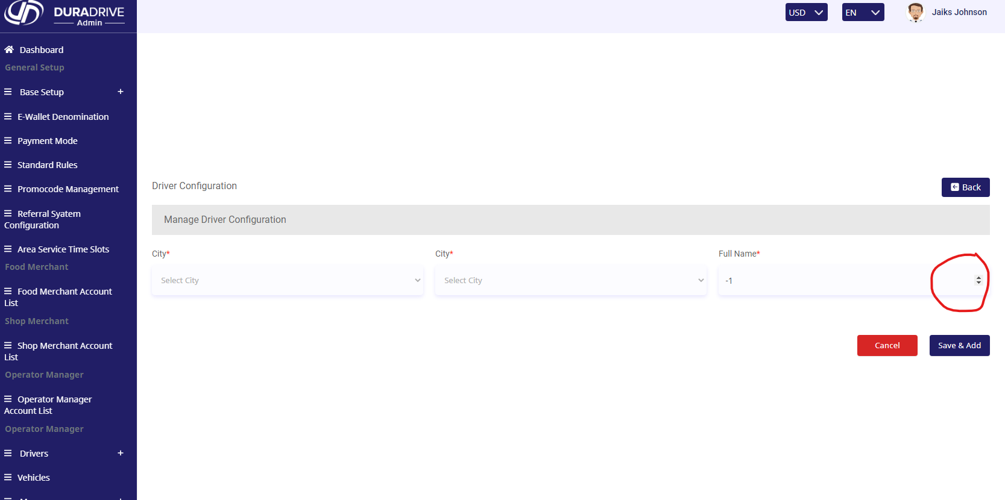
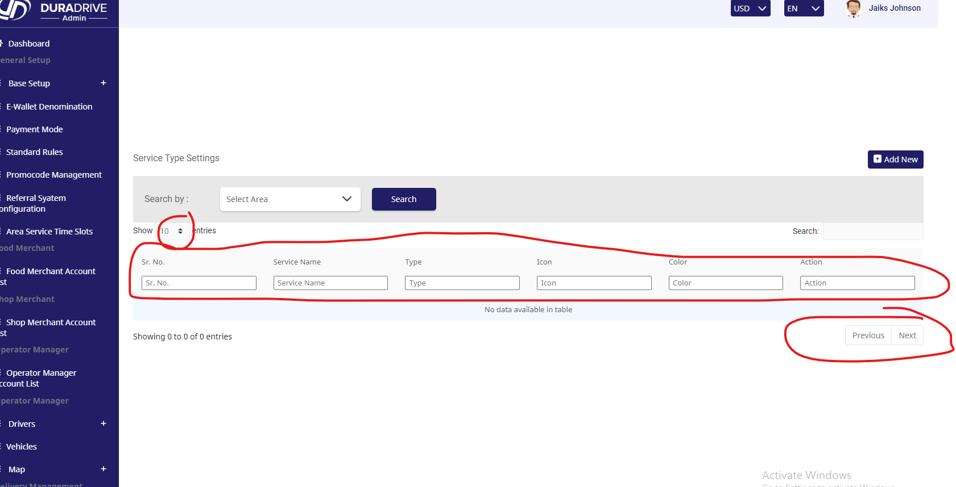

 |  | TS_03(Screen-174) |  |  |  |  | TS_04(Screen-175)

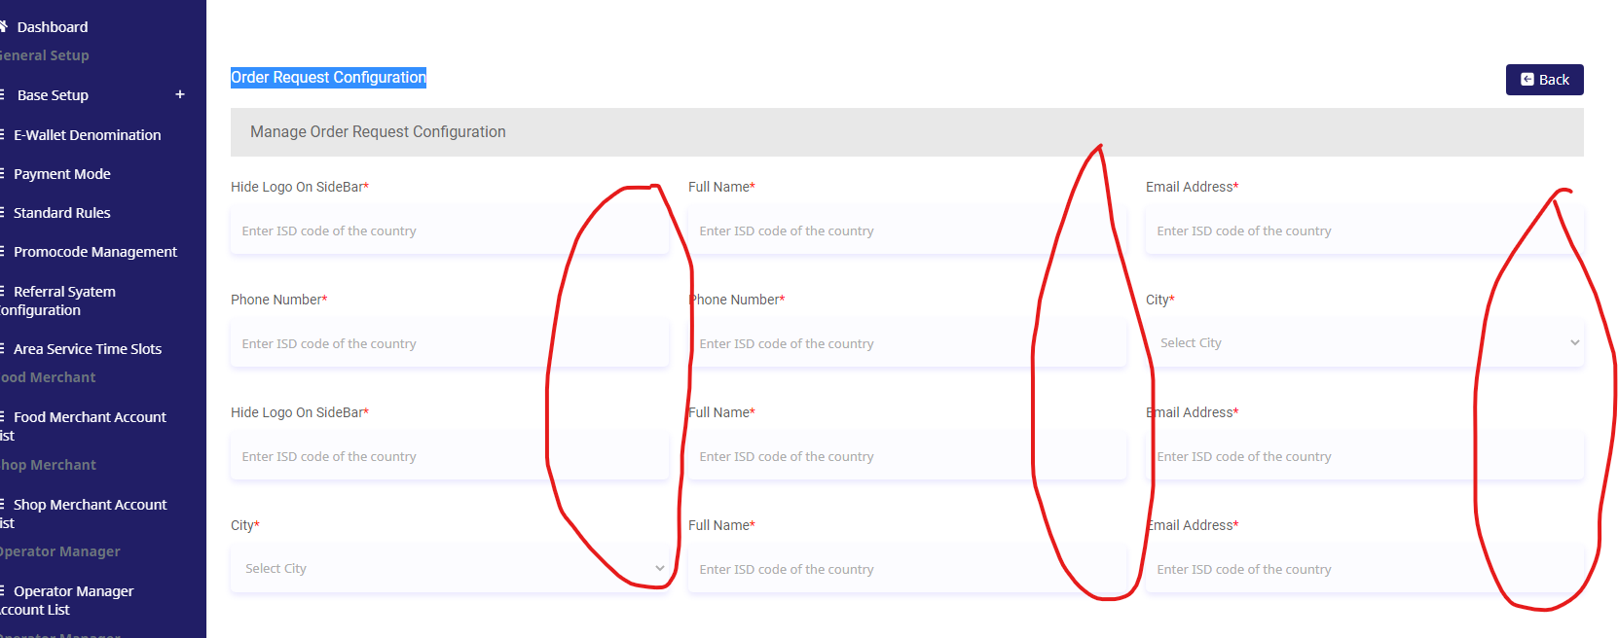
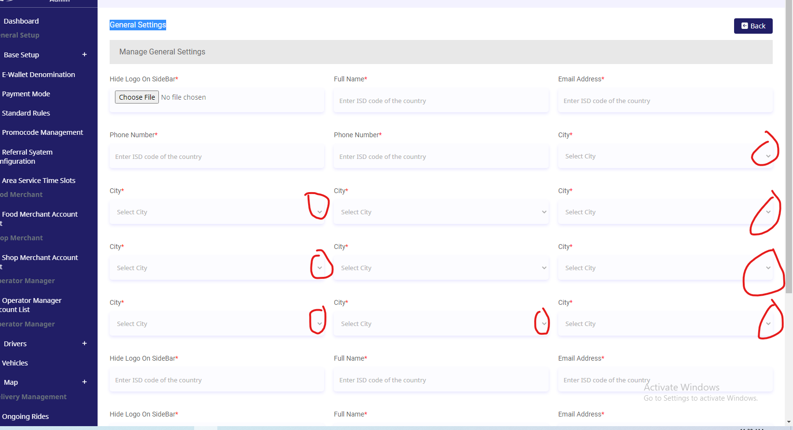

 |  | TS_10(Screen-181) |  |  |  |  | TS_11(Screen-182)

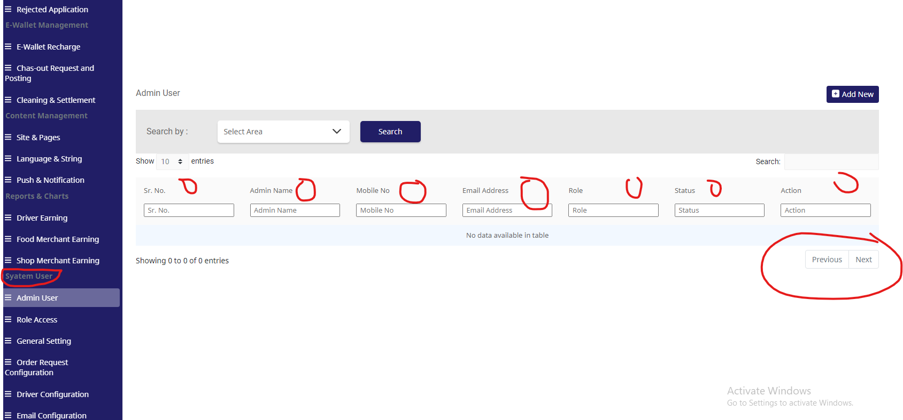
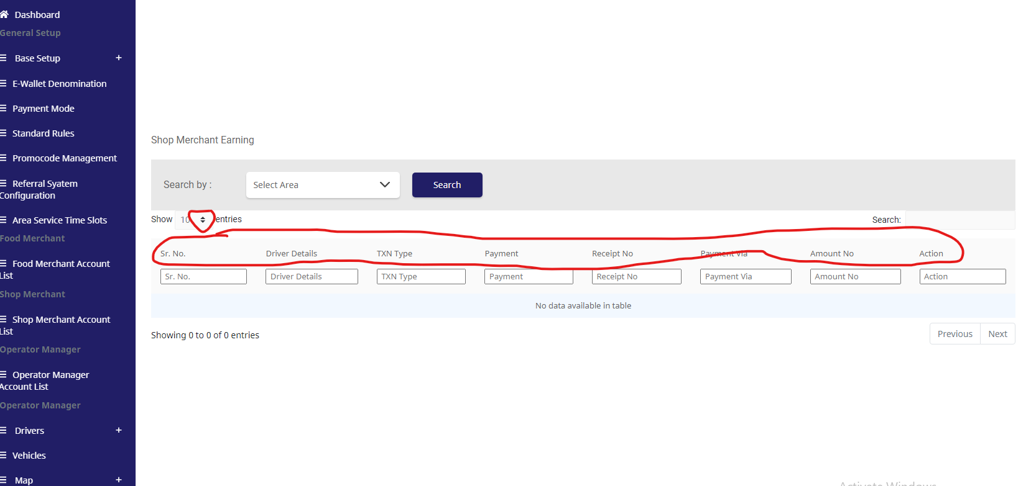

 |  | TS_22(Screen-194) |  |  |  |  | TS_36(Screen-203)

